CoverSheet
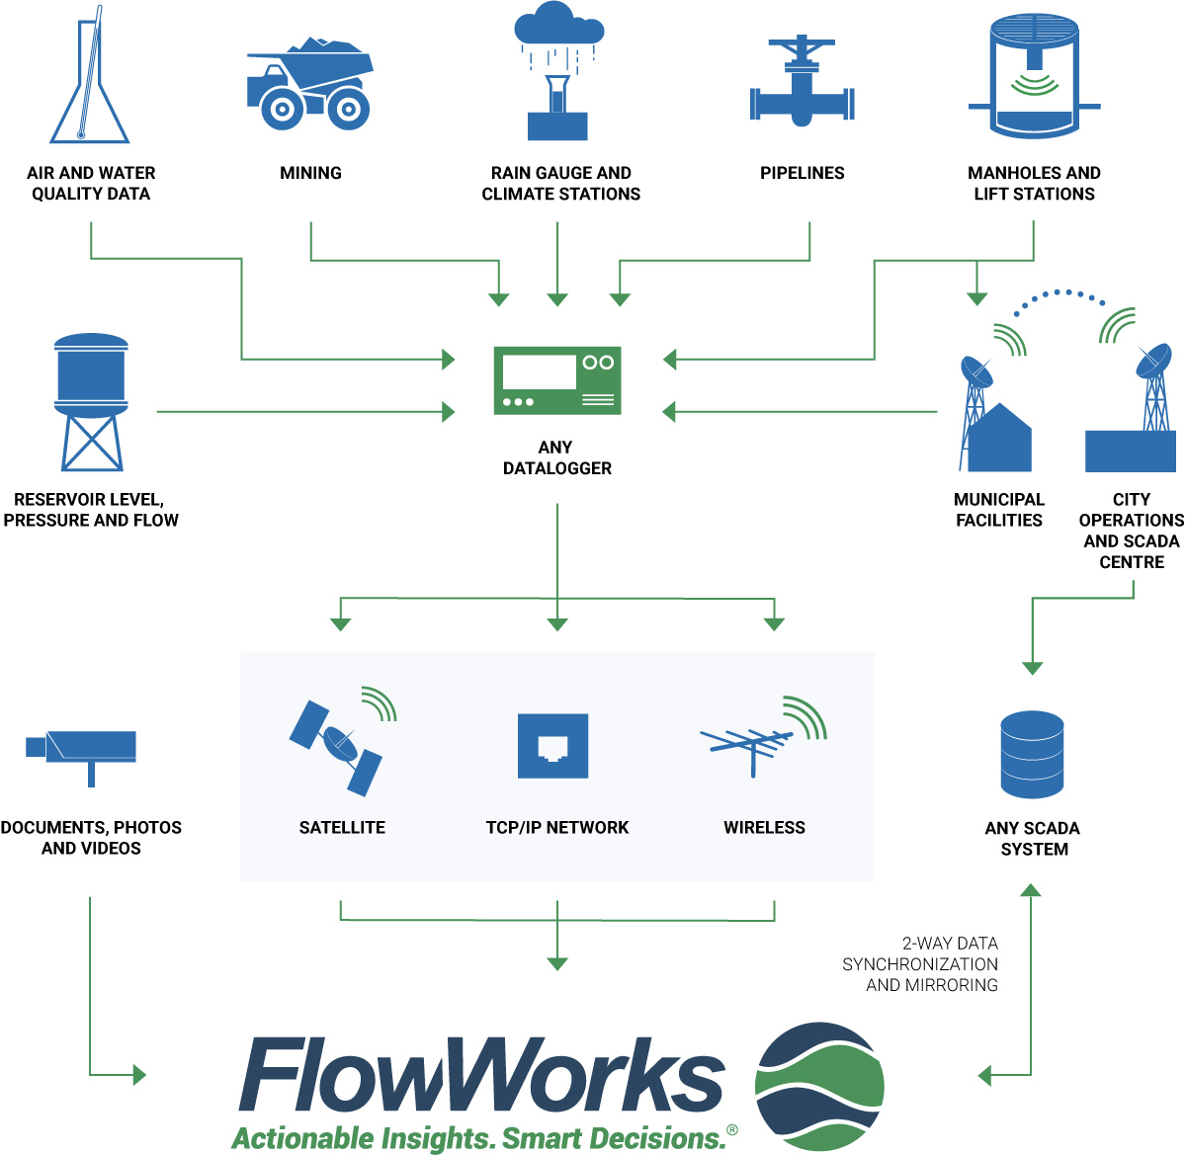
FlowWorks Site Setup Form
Welcome to the FlowWorks Site Setup Form. This document is used to configure your FlowWorks software and provide you with the ability to manage your multi-vendor infrastructure as a single network. Please provide details regarding your project on this main coversheet (see below) and once this has been completed view the three tabs below to see which transfer layers are appropriate for your setup. Please note: this form provides three separate spreadsheet tabs that should be filled in for each data transfer layer you require to connect to FlowWorks. For any Telog (green tab) or ISCO (red tab) loggers, please add the information to the appropriate sheet. For any Non-Telog or Non-ISCO loggers, please use the General Sites (blue tab) sheet. A list of terms often used in this form can be found at the bottom of this coversheet. If you require any assistance with filling in the Site Setup Form, please contact FlowWorks Support by clicking the cell below.
FlowWorks New/Exisiting Customer Details: | Please provide:
Project Manager:
Job Title:
Email:
Phone:
Organization Name:

If you are an Existing Customer, please fill in the details below: | Please provide:
FlowWorks Client Number and/or Customer Name:
Site(s) to be added to which Security Group:
If data to be sent by FTP, ftp format(s) if known:

FlowWorks Terms: | Definitions:
Internal Site Name: | The identification sent from the data logger in the field identifying itself and the source of the data.
Display Site Name: | The name of the Site used to label its position on the MapView and on reports and graphs. This is the name by which we search when you request alterations to the initial site configuration such as adding additional channels of data.
Site Type: | See the MapView Legend on the www.flowworks.com site. The Site Type selects the letter used in the icon marking the site on the MapView display.
Collection Method: | Usually determined by the technology of the manufacturer of the hardware being used to collect the data in the field.
Call-in Frequency: | Please note that this setting does not control the communications link to the equipment in the field. This should be the number of minutes since the last contact before the site is marked as "Late."
Time-Zone: | FlowWorks collects data from around the globe. This setting allows FlowWorks to display your data in the Time Zone from which it was collected.
Latitude and Longitude: | This information (in decimal format) positions the icon on the MapView representing the location of the site from which the data was collected.

Additional Help | Resource:
Coordinates: If you need help locating your site (lat and long coordinates): | Click here
Timezone: If you need help finding your timezone: | Click here

